AlpeAdriaNigtRaceMuehlen

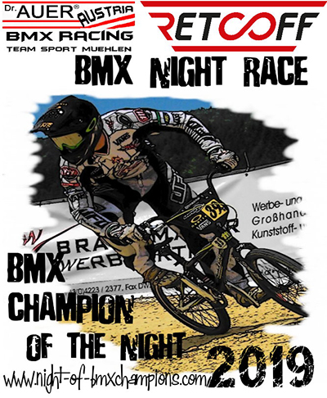
 |  |  | ENTRY FORM
 |  |  |  |  |  | Send to ORGANIZER |  | BMX Team-Sport-Mühlen
 |  |  | ALPE ADRIA CUP & CLUB-CHAMPIONSHIP |  |  |  |  | Mühlen 42
 |  |  |  |  |  |  |  | 8822 Mühlen / AUSTRIA
 |  |  | Dr. Auer RETCOFF BMX-ARENA - Mühlen 24./25. August 2019 |  |  |  |  | office@team-sport-muehlen.com
 |  |  |  |  |  |  |  | www.bmx-muehlen.com
11° ROUND RETCOFF Dr. Auer ALPE ADRIA BMX CHAMPIONSHIP 2019: Saturday 24. August 2019
Dr. AUER Night-Race - BMX CHAMPION of the NIGHT 2019: Saturday 24. August 2019
12° ROUND RETCOFF Dr. Auer ALPE ADRIA BMX CHAMPIONSHIP 2019: Sunday 25. August 2019
Name of Association/club
Adress
Residence
Postal Code
Country
Name of Team manager

 |  | REGISTRATION DEADLINE: 21/08/2019 at 00:00
Entry fees : Boys, Men, Woman a. Cruiser = 10,00 euros (per race), Night-Race-OPEN = 10,00 euros
Riders wich are not preregistered on this form and register directly at the race pays 5,00 euros more!
Payment of entry fees in cash at registration desk Only by Team Manager

Nr | Category | Plate # | Family name/ first name | birth date | Licence UCI | AA Race Saturday | Night-Race | T-Shirt - Size | AA Race Sunday |  | Entry fee
1 |  |  |  |  |  | € 0.00 | € 0.00 |  | € 0.00 |  | 0.00 €
2 |  |  |  |  |  | € 0.00 | € 0.00 |  | € 0.00 |  | 0.00 €
3 |  |  |  |  |  | € 0.00 | € 0.00 |  | € 0.00 |  | 0.00 €
4 |  |  |  |  |  | € 0.00 | € 0.00 |  | € 0.00 |  | 0.00 €
5 |  |  |  |  |  | € 0.00 | € 0.00 |  | € 0.00 |  | 0.00 €
6 |  |  |  |  |  | € 0.00 | € 0.00 |  | € 0.00 |  | 0.00 €
7 |  |  |  |  |  | € 0.00 | € 0.00 |  | € 0.00 |  | 0.00 €
8 |  |  |  |  |  | € 0.00 | € 0.00 |  | € 0.00 |  | 0.00 €
9 |  |  |  |  |  | € 0.00 | € 0.00 |  | € 0.00 |  | 0.00 €
10 |  |  |  |  |  | € 0.00 | € 0.00 |  | € 0.00 |  | 0.00 €
11 |  |  |  |  |  | € 0.00 | € 0.00 |  | € 0.00 |  | 0.00 €
12 |  |  |  |  |  | € 0.00 | € 0.00 |  | € 0.00 |  | 0.00 €
13 |  |  |  |  |  | € 0.00 | € 0.00 |  | € 0.00 |  | 0.00 €
14 |  |  |  |  |  | € 0.00 | € 0.00 |  | € 0.00 |  | 0.00 €
15 |  |  |  |  |  | € 0.00 | € 0.00 |  | € 0.00 |  | 0.00 €
16 |  |  |  |  |  | € 0.00 | € 0.00 |  | € 0.00 |  | 0.00 €
17 |  |  |  |  |  | € 0.00 | € 0.00 |  | € 0.00 |  | 0.00 €
18 |  |  |  |  |  | € 0.00 | € 0.00 |  | € 0.00 |  | 0.00 €
19 |  |  |  |  |  | € 0.00 | € 0.00 |  | € 0.00 |  | 0.00 €
20 |  |  |  |  |  | € 0.00 | € 0.00 |  | € 0.00 |  | 0.00 €
21 |  |  |  |  |  | € 0.00 | € 0.00 |  | € 0.00 |  | 0.00 €
22 |  |  |  |  |  | € 0.00 | € 0.00 |  | € 0.00 |  | 0.00 €
 |  |  |  |  |  |  |  |  | TOTAL |  | 0.00 €
 |  | The first 40 registrations get a FREE "NightRace T-Shirt"!!! Please fill in your T-Shirt size at the appropriate field.
 |  | Return this form by email to: |  | office@team-sport-muehlen.com |  |  |  | sheet | 1 | of | 1

